виправлення
Test Case | https://kurs.com.ua/

69489616 |  |  |  | 319816666
Verify that the 'Your city' filter contains cities other than the selected one, which are distributed by regions of Ukraine |  |  |  | Make sure that when you enter the link to the non-existent page "Cars" in the address bar, the site generates an error
Step | Action | Expected Result |  | Step | Action | Expected Result
1 | Preconditions: Make sure the DB contains an 'All Cities' ; Make sure the DB contains at least 10 cities that are grouped by region |  |  | 1 | Open the main page of the site https://kurs.com.ua/ | The main page is open
2 | Click ‘Your city’ dropdown | The dropdown opens and contain 'All cities' |  | 2 | In the address bar, enter a non-existent page on the site "Cars" (https://kurs.com.ua/cars) | The page opens with the message "Unfortunately, there was a problem The requested page does not exist Error code: 1S160/2" | + (обробка подібних помилок - дійсно гарний кейс)
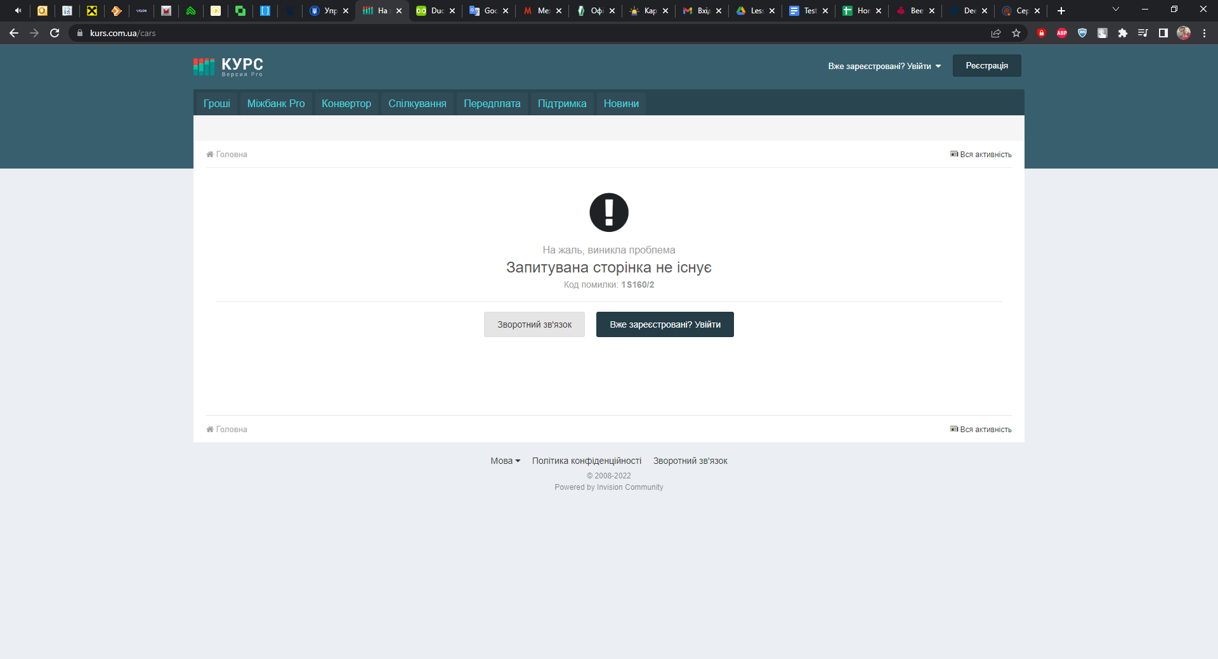
3 | Click ‘All Cities’ section | The section contains a list of Ukrainian regions
4 | Verify the ‘Poltava region’ section | The section contains more than 10 cities | +

946843
Verify the possibility of buying 'BitCoin' cryptocurrency online (кінцевим результатом є покупка, просто або зміни самері що перевіряється наявність поля для введення даних картки, або пропиши кроки аж до покупки біткоїна)
Step | Action | Expected Result
1 | Preconditions: Make sure the "Currency" contains an 'BitCoin'; Make sure that the 'BitCoin' currency contains a 'Buy' button
2 | Click ‘Currency’ dropdown | The dropdown opens and contain 'Сryptocurrency'
3 | Click ‘Сryptocurrency’ section | The section contains 'BitCoin' currency
4 | Click the 'Buy' button | A page opens where you can manage the required amount of currency for purchase and select exchange methods. |  |  |  |  | -
5 | In the "How much to receive" field, enter the amount of currency required to receive 0.1 BTC and click the "Exchange" button | The page of the currency exchange point opens with fields for filling in payment card data

19268 |  |  |  | 111159789
Verify that in the ‘Courses’ section you can exchange Solana cryptocurrency for Ukrainian hryvnia through Monobank |  |  |  | Ensure that if you enter incorrect data during registration, you cannot create an account (Тут ми перевіряємо валідацію поля пароля, старайся уникати в формулюваннях таких слів як некоректний, бо це двозначність, а приписувати конкретно яка там некоректність)
Step | Action | Expected Result |  | Step | Action | Expected Result
1 | Preconditions: Make sure the ‘Courses’ contains an 'Web.money' |  |  | 1 | Enter the address of the main registration page in the address bar https://kurs.com.ua/store/?do=register | The main registration page is open
2 | Open dropdown in the 'We give back' on the 'Web.money' page (Courses>Web.money) | The dropdown opens |  | 2 | Click the 'Registration' button | The page for entering registration data opens
3 | Click ‘Solana’ | The Solana is available |  | 3 | Verify that if you enter incorrect data during registration, for example, the "*" symbol instead of the "@" symbol in the email field, you will not be able to create an account | The registration form does not really allow you to create an account with incorrect email addresses. | в Степах вказуємо конкретно який вид некоректних символів використовуємо, і в експектед має бути прописаний текст помилки, яка вискакує з тултіпом у цьому конкретному випадку
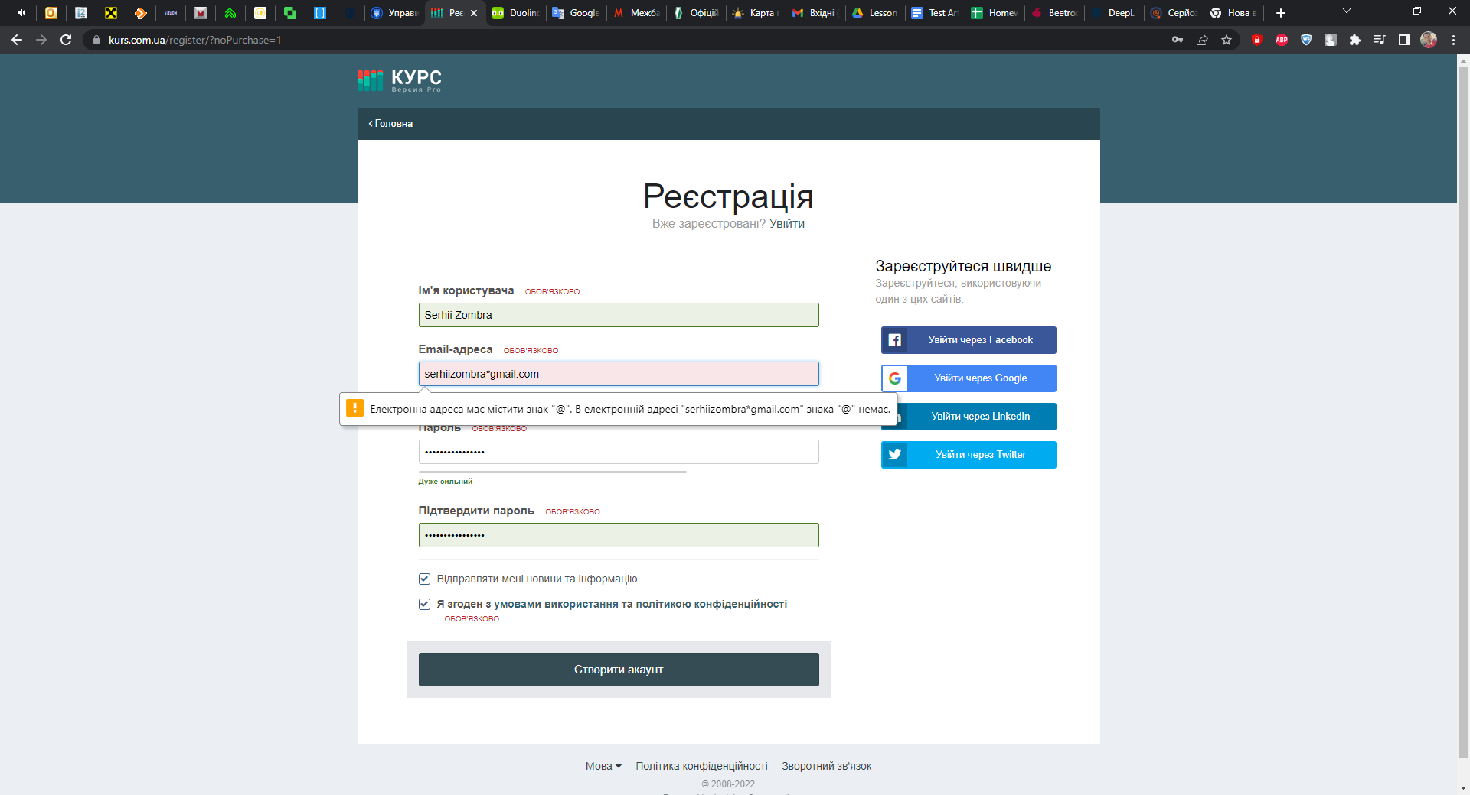
4 | Open dropdown in the 'We get' on the 'Web.money' page (Courses>Web.money) | The dropdown opens
5 | Click ‘MonobUAH’ | The Monobank is available
6 | Enter the required amount of currency to be exchanged in the "How much do you need to exchange" field in the amount of 100 SOL and click the "Exchange" button | The page of the currency exchange point opens with fields for filling in payment card data | + (тут той самий коментар до самері що й у попередньому разі)

1578
Verify that the 'Hamburger Menu' displays news in the form of a list
Step | Action | Expected Result
1 | Click the 'News' in the header | Opens the news page
2 | Click the "Hamburger" button in the "Main" section | The page is updated and the news is sorted in the form of a list | Це, мабуть від браузера залежить, у мене в еджі так як на скріні нижче. |  |  |  | -
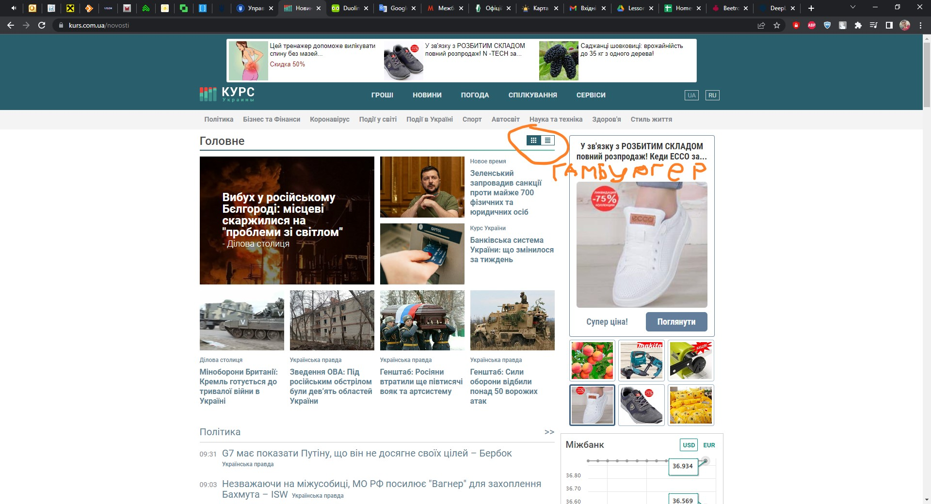
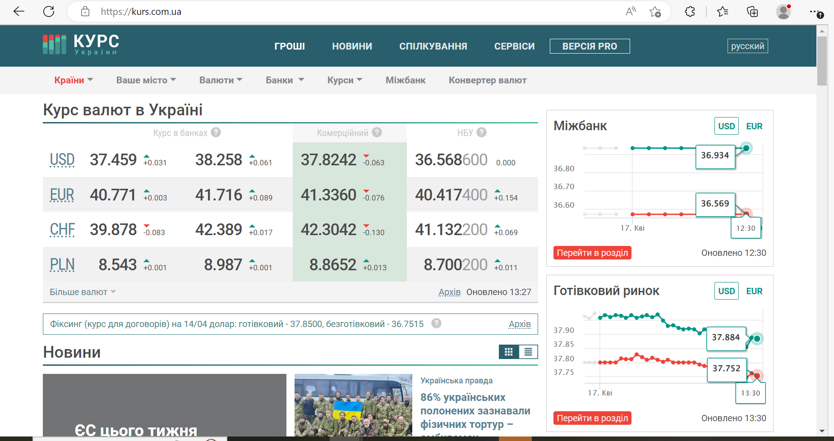

48247
Verify that the dropdown 'Paid Products' filter in the footer really contains paid services
Step | Action | Expected Result
1 | Preconditions: Make sure the DB contains at least six records in 'Paid Products' table;
2 | Click dropdown filter 'Paid Products' | The dropdown list opens and contain six services
3 | Click and verify the 'ProVersion' is paid service | A form for payment for services opens
4 | Click and verify the 'Add "Currency exchange office"(Add CEO) is paid service | A form for payment for services opens | +

BUG REPORT | ID 564184143
Field | Value
Page | https://kurs.com.ua/
Browser | Google Chrome 112.0.5615.121
Operating system | Windows 10
Problem | The list of all currencies is not displayed when you click the "All currencies" button in the "Currencies" drop-down list
Steps | 1. Open the website https://kurs.com.ua/ in the Google Chrome browser
 | 2. Click the "All currencies" button in the "Currencies" drop-down list
 | 3. View the page and make sure that the full list of currencies is not available.
Expected result | You should see a list of all currencies in the world.
Actual result | A blank page is displayed
Severity | Critical
Priority | Medium

коменти Оксана
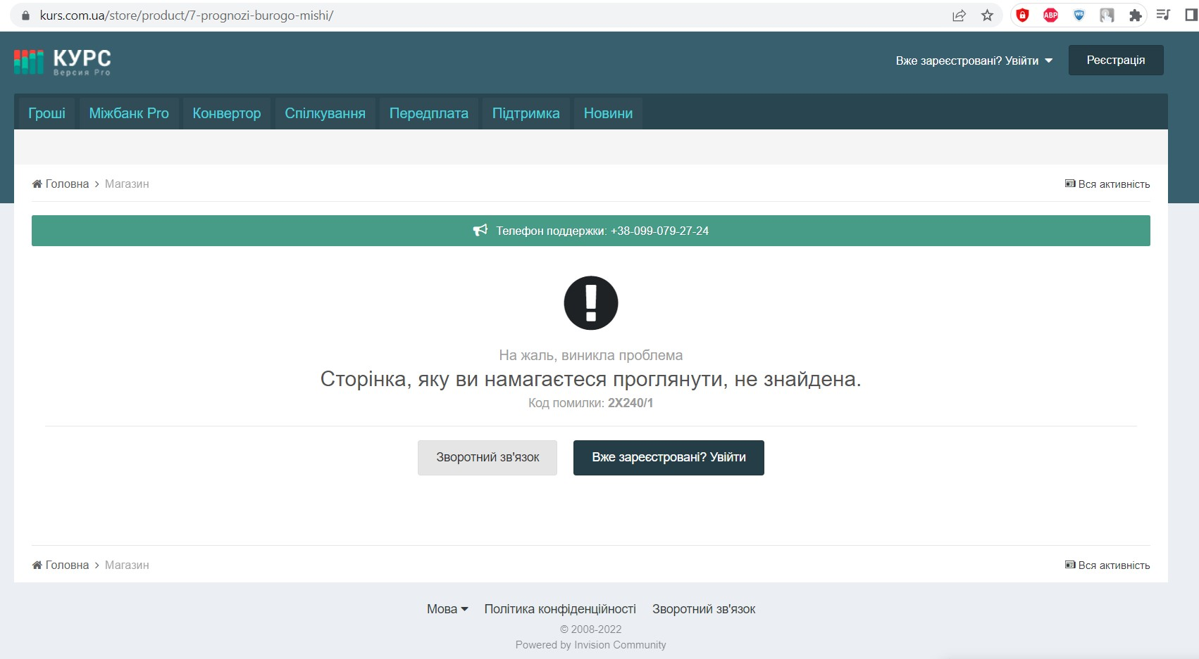
Test Case | https://kurs.com.ua/

69489616
Verify that the 'Your city' filter contains cities other than the selected one, which are distributed by regions of Ukraine |  |  | +
Step | Action | Expected Result
1 | Preconditions: Make sure the DB contains an 'All Cities' ; Make sure the DB contains at least 10 cities that are grouped by region
2 | Click ‘Your city’ dropdown | The dropdown opens and contain 'All cities'
3 | Click ‘All Cities’ section | The section contains a list of Ukrainian regions
4 | Verify the ‘Poltava region’ section | The section contains more than 10 cities |  | Це не коректні кейси, негативні кейси це ті які перевіряють негативні сценарії а не складені на якомусь протиріччі, прочитай статтю, і якщо не зрозумієш - пиши в слек
 |  |  |  | Позитивне та негативне тестування | Безкоштовний онлайн-курс від компанії QATestLab
946843 |  |  |  | 5858
Verify the possibility of buying 'BitCoin' cryptocurrency online (судячи по крокам ми перевіряємо не можливість купити, а наявність кнопки) |  |  |  | Check the ability to display data on the fluctuations of the "SHIBA INU" cryptocurrency rate in the form of a pie chart
Step | Action | Expected Result |  | Step | Action | Expected Result
1 | Preconditions: Make sure the "Currency" contains an 'BitCoin'; Make sure that the 'BitCoin' currency contains a 'Buy' button |  |  | 1 | Preconditions: Make sure the "Currency" contains an 'SHIBA INU'; Make sure that the 'SHIBA INU' currency contains a 'Buy' button
2 | Click ‘Currency’ dropdown | The dropdown opens and contain 'Сryptocurrency' |  | 2 | Click ‘Currency’ dropdown | The dropdown opens and contain 'Сryptocurrency'
3 | Click ‘Сryptocurrency’ section | The section contains 'BitCoin' currency |  | 3 | Click ‘Сryptocurrency’ section | The section contains 'SHIBA INU' currency
4 | Verify the 'BitCoin' contains a 'Buy' button | BitCoin' contains a 'Buy' button |  | 4 | Verify the display of data on the oscillation of 'SHIBA INU' in the form of a pie chart. | The page does not display data in the form of a pie chart, but only a graph of exchange rate fluctuations | -

19268 |  |  |  | 8828
Verify that in the ‘Courses’ section you can exchange Solana cryptocurrency for Ukrainian hryvnia through Monobank (знову ж не обмін тут перевіряється, а наявність відповідного елемента) |  |  |  | Verify that in the ‘Courses’ section you can exchange XRP cryptocurrency for Polish zloty through Telekombank
Step | Action | Expected Result |  | Step | Action | Expected Result
1 | Preconditions: Make sure the ‘Courses’ contains an 'Web.money' |  |  | 1 | Preconditions: Make sure the ‘Courses’ contains an 'Web.money'
2 | Open dropdown in the 'We give back' on the 'Web.money' page (Courses>Web.money) | The dropdown opens |  | 2 | Open dropdown in the 'We give back' on the 'Web.money' page (Courses>Web.money) | The dropdown opens
3 | Click ‘Solana’ | The Solana is available |  | 3 | Click ‘XRP’ | The 'XRP' is available
4 | Verify the dropdown in the 'We get' on the 'Web.money' page (Courses>Web.money) contain 'Monobank' | The dropdown contains 'Monobank' |  | 4 | Verify the dropdown in the 'We get' on the 'Web.money' page (Courses>Web.money) contain 'Telekombank' | Telekombank is not in the list ? (в самері у нас можливість обміняти а в експектедах - що валюти нема, здається ти не дуже зрозумів концепцію негативних кейсів)

1578 |  |  |  | 77978
Verify that the 'Hamburger Menu' displays news in the form of a list (не знайшла гамбургер меню, мабуть ти про лого сайту?) |  |  |  | Verify that the "Hamburger Menu" displays news in a cascade
Step | Action | Expected Result |  | Step | Action | Expected Result
1 | Click the 'News' in the header | Opens the news page |  | 1 | Click the 'News' in the header | Opens the news page
2 | Verify the 'Hamburger Menu' displays news in the form of a list | The 'Hamburger Menu' displays news in the form of a list |  | 2 | Verify that the "Hamburger Menu" displays news in a cascade | The 'Hamburger Menu' displays news in the form of a list | -

48247
Verify that the dropdown 'Paid Products' filter in the footer really contains at least two paid services
Step | Action | Expected Result
1 | Click dropdown 'Paid Products' | The dropdown opens and contain six services (якщо вони вигрібаються з бази варто сказати в прекондішенах - що їх має бути 6 в базі)
2 | Click and verify the 'ProVersion' is paid service | After clicking, a form for payment for services opens.
3 | Click and verify the 'Brown Mouse's forecasts' is paid service | FAILED (а який тут експектед мав бути?)
4 | Click and verify the 'Add "Currency exchange office"(Add CEO) is paid service | After clicking, a form for payment for services opens.

BUG REPORT

BUG REPORT: ID 48249 |  | Там не бага щоб туди зайти - потрібна про версія, тому та сторінка і не відкривається
Summary | Switching to 'Brown Mouse Forecasts' in the 'Paid Services' dropdown list does not open the window for payment, but instead displays an error 2X240/1
Preconditions: -
Steps to Reproduce (STR)
1. Open the Main page
2. Click the 'Brown Mouse's forecasts' in the dropdown list 'Paid service' in the footer
3. Verify the open page
Expected Result A page with payment details and a payment form opens.
Actual Result The page opens with an error 2X240/1
Severity | Minor
Priority | Low

